Module 1
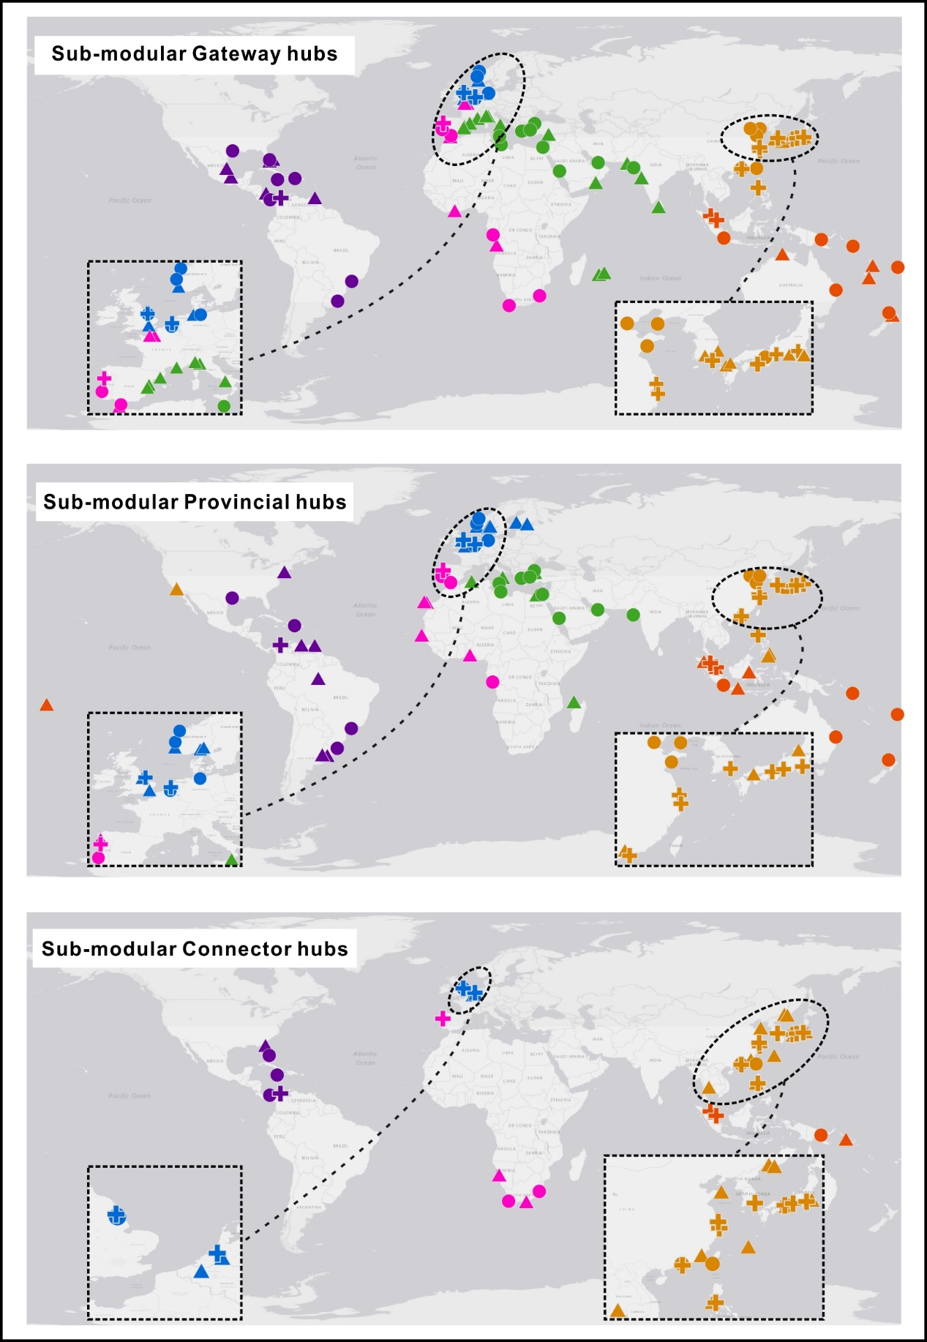
Port | Sub-community number | Role | Outside-submodule degree, B | Inside-submodule degree, Z | Modular participation coefficient, P
Cartagena (Col) | 3 | ✚ | 3.2637 | 1.7065 | 0.7149
Port Everglades | 5 | ● | 3.5106 | 1.3271 | 0.7208
Kingston (Jamaica) | 5 | ● | 2.9931 | 1.4756 | 0.7235
Manzanillo (Pan) | 3 | ● | 2.6238 | 1.4716 | 0.704
Houston | 3 | ● | 2.2582 | 1.8239 | 0.6738
Santos | 4 | ● | 1.8647 | 1.516 | 0.5804
Caucedo | 3 | ● | 1.6184 | 1.589 | 0.6529
Rio Grande (Brazil) | 4 | ● | 1.6139 | 1.516 | 0.56
Freeport (Bah) | 2 | ▲ | 3.51 | 0.4709 | 0.6757
Miami | 2 | ▲ | 3.2739 | 0.9511 | 0.6538
Altamira | 4 | ▲ | 2.7426 | 0.4129 | 0.6815
Veracruz | 4 | ▲ | 2.4918 | 0.4129 | 0.6966
Port of Spain | 2 | ▲ | 2.4475 | 1.0472 | 0.6283
San Andres | 1 | ▲ | 1.5 | -- | 0.6939
Jacksonville | 5 | ▲ | 1.3757 | 0.4366 | 0.7259
Buenos Aires | 4 | ▲ | 1.1122 | 1.516 | 0.5366
NewYork-NewJersey | 3 | ▲ | 0.9786 | 1.589 | 0.6087
Montevideo | 4 | ▲ | 0.6106 | 1.7611 | 0.4536
Point Lisas | 5 | ▲ | 0.47 | 1.7724 | 0.5592
La Guaira | 5 | ▲ | 0.2112 | 1.624 | 0.5617
Manaus | 4 | ▲ | -0.1419 | 1.6386 | 0.3223

Module 3
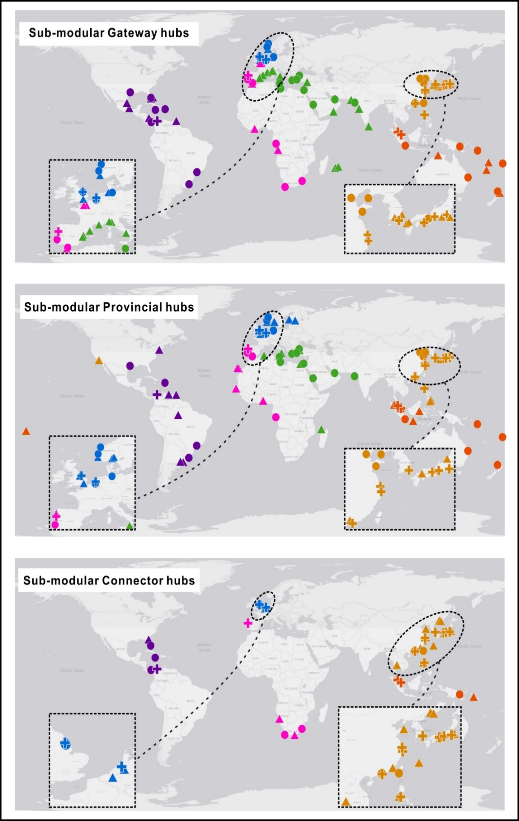
Port | Sub-community number | Role | Outside-submodule degree, B | Inside-submodule degree, Z | Modular participation coefficient, P
Manila | 5 | ✚ | 4.0725 | 1.7819 | 0.7194
Busan | 2 | ✚ | 4.0322 | 2.0192 | 0.7437
Shanghai | 1 | ✚ | 3.4992 | 2.3431 | 0.7178
Yokohama | 2 | ✚ | 3.4184 | 1.8366 | 0.7589
Nagoya | 4 | ✚ | 3.1876 | 1.6878 | 0.7497
Kobe | 4 | ✚ | 3.0794 | 2.0542 | 0.736
Ningbo-Zhoushan | 1 | ✚ | 2.693 | 1.8686 | 0.7149
Hong Kong | 1 | ✚ | 2.3706 | 2.5804 | 0.7106
Osaka | 3 | ● | 3.7577 | 1.2865 | 0.7246
Tianjin | 1 | ● | 2.1018 | 1.9476 | 0.6593
Kaohsiung | 1 | ● | 2.1018 | 1.3149 | 0.7451
Qingdao | 1 | ● | 2.0481 | 1.8686 | 0.6847
Dalian | 1 | ● | 1.9944 | 1.5522 | 0.6653
Shenzhen | 1 | ● | 1.5644 | 1.4731 | 0.7092
Tokyo | 3 | ▲ | 2.7546 | 1.2075 | 0.6697
Kwangyang | 3 | ▲ | 2.3964 | 1.3655 | 0.6496
Ulsan | 3 | ▲ | 2.0382 | 1.1285 | 0.6428
Hakata | 3 | ▲ | 1.7516 | 1.2075 | 0.6222
Moji | 3 | ▲ | 1.7516 | 0.9705 | 0.6249
Shimizu | 3 | ▲ | 1.5366 | 0.7335 | 0.6478
Davao | 5 | ▲ | 1.4523 | 2.3911 | 0.5651
Naha | 5 | ▲ | 1.3332 | 0.1572 | 0.7111
Xiamen | 1 | ▲ | 1.1882 | 0.9194 | 0.7153
Guangzhou | 1 | ▲ | 0.597 | 2.1058 | 0.549
Vostochny | 4 | ▲ | 0.5169 | 0.4056 | 0.746
Hiroshima | 3 | ▲ | 0.3902 | 1.6815 | 0.4604
Hitachinaka | 2 | ▲ | 0.3855 | -0.3544 | 0.7076
General Santos | 5 | ▲ | 0.3804 | 2.3911 | 0.4531
Vladivostok | 4 | ▲ | 0.3003 | 0.7719 | 0.7261
Los Angeles | 2 | ▲ | 0.2772 | 1.8366 | 0.6728
Subic Bay | 1 | ▲ | 0.0596 | -0.5042 | 0.716
Niigata | 3 | ▲ | 0.032 | 1.6815 | 0.3921
Weihai | 1 | ▲ | -0.2628 | -0.8997 | 0.7111
Senboku | 4 | ▲ | -0.4215 | -1.4261 | 0.72
Ko Si Chang | 1 | ▲ | -0.5315 | -1.216 | 0.7222

Module 7
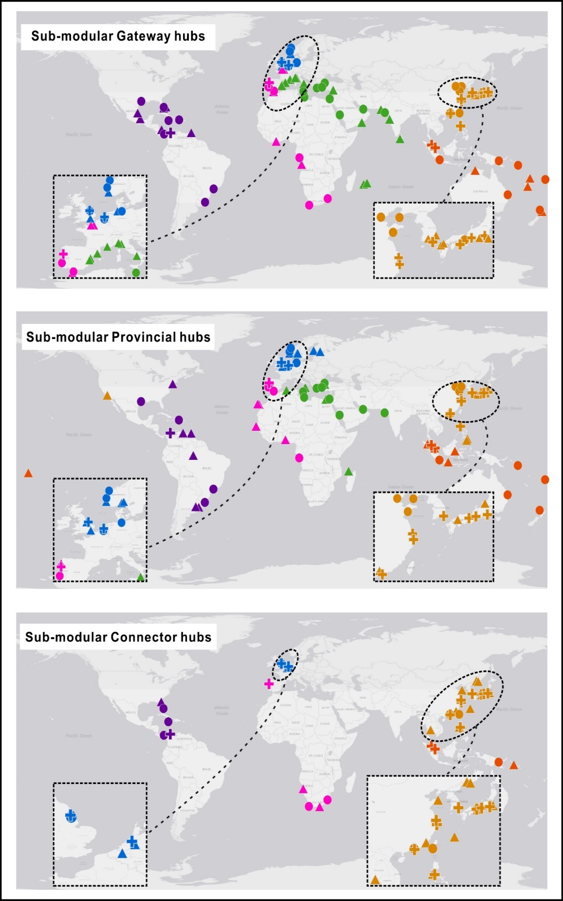
Port | Sub-community number | Role | Outside-submodule degree, B | Inside-submodule degree, Z | Modular participation coefficient, P
Jebel Ali | 4 | ● | 3.4621 | 3.1073 | 0.5997
Marsaxlokk | 3 | ● | 2.5758 | 2.1769 | 0.546
Jeddah | 4 | ● | 2.4168 | 1.8437 | 0.5619
Port Said | 3 | ● | 2.2428 | 1.5055 | 0.5413
Istanbul | 3 | ● | 2.0208 | 2.0277 | 0.5174
Izmir | 3 | ● | 2.0208 | 2.0277 | 0.5174
Mundra | 4 | ● | 1.7199 | 1.8437 | 0.5383
Misurata | 1 | ● | 1.6941 | 1.5483 | 0.5856
Piraeus | 3 | ● | 1.6878 | 2.2515 | 0.4817
Genoa | 1 | ▲ | 3.934 | 0.0071 | 0.6528
Port Louis | 2 | ▲ | 2.7809 | 1.3184 | 0.625
Valencia | 3 | ▲ | 2.6868 | 0.9086 | 0.6384
Mumbai | 4 | ▲ | 2.5329 | 1.2119 | 0.5823
Barcelona | 3 | ▲ | 2.4648 | 0.6848 | 0.6371
Reunion | 2 | ▲ | 2.331 | 1.3184 | 0.6044
Castellon | 1 | ▲ | 2.1014 | 0.0071 | 0.5941
Colombo | 4 | ▲ | 2.0683 | 0.7907 | 0.5945
Marseille | 1 | ▲ | 1.8977 | 0.1356 | 0.6651
Karachi | 4 | ▲ | 1.836 | 1.1066 | 0.6166
Salerno | 3 | ▲ | 1.7988 | 1.0578 | 0.5695
Salalah | 4 | ▲ | 1.7199 | 1.1066 | 0.5756
Mersin | 3 | ▲ | 1.6878 | 1.1324 | 0.5517
La Spezia | 3 | ▲ | 1.6878 | 0.1625 | 0.6468
Gioia Tauro | 3 | ▲ | 1.0218 | 1.5801 | 0.4566
Longoni | 2 | ▲ | 0.7566 | 1.8018 | 0.4032
Alexandria | 3 | ▲ | 0.6888 | 1.7293 | 0.3848
Algiers | 1 | ▲ | 0.4723 | 1.8052 | 0.42
Gemlik | 3 | ▲ | 0.2448 | 1.5055 | 0.3047

